MFBB
MARS Number | 30605
Program Name | Frame 5 billboards for Aug 23-29
Notes | Highlighted billboards are continuing from the previous week.

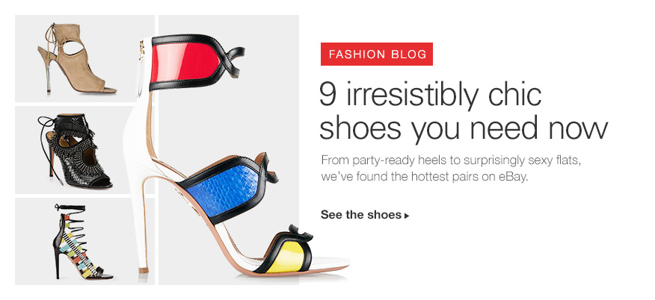
Creative Version | 072615_fashion_SexyShoe_HPBB_656x402(2)
 | 072615_fashion_SexyShoe_HPBB_876x402(2)
Stub name | US_Merch_Q315_Fash_Fash_CSA-WMNSSHS-Heels_NA_Unk_IrresistableChicShoe_Frame5_Sta_
URL | http://stylestories.ebay.com/shoe-raid-9-irresistibly-chic-pairs-on-ebay-right-now
Targeting | LCA - ALL (and CSA WOMEN) | Insert Creative here
Start | 2015-08-23
Finish | 2015-08-29
Capping

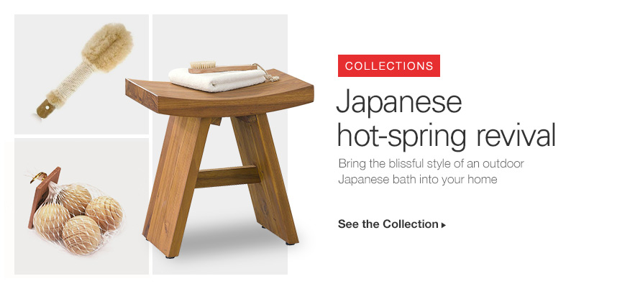
Creative Version | 082315_collections_JapaneseSpa_HPBB_656x402(2)
 | 082315_collections_JapaneseSpa_HPBB_876x402(2)
Stub name | US_Merch_Q315_Cont_NSnl_UNW_NA_Unk_JapaneseSpa_JapaneseHotSpring_Sta_
URL | http://www.ebay.com/cln/ebayhomeeditor/outdoor-revival/225996383018
Targeting | LCA : ALL | Insert Creative here
Start | 23-Aug-15 @00:01
Finish | 29-Aug-15 @ 23:59
Capping

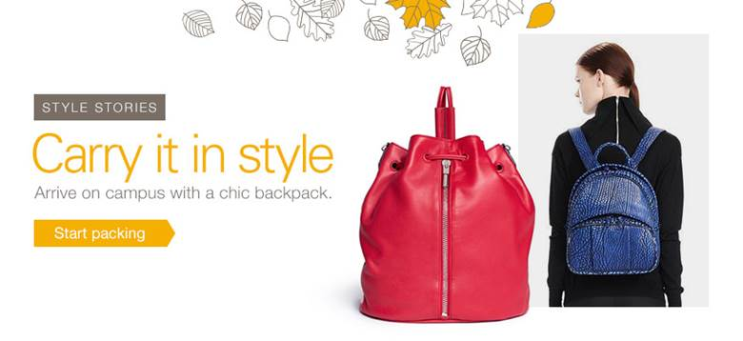
Creative Version | Back to school backpacks (not sure of version)

Stub name | US_Merch_Q315_Seas_B2S_CSA_NA_RPP_BTSTakeover0730_ContentStyleStoryHPBB_Sta_MFBB20037_AllUsers_P1_NoCap
URL | http://stylestories.ebay.com/11-surprisingly-stylish-backpacks/
Targeting | LCA = All | Insert Creative here
Start | 23-Aug-15 @00:01
Finish | 29-Aug-15 @ 23:59
Capping

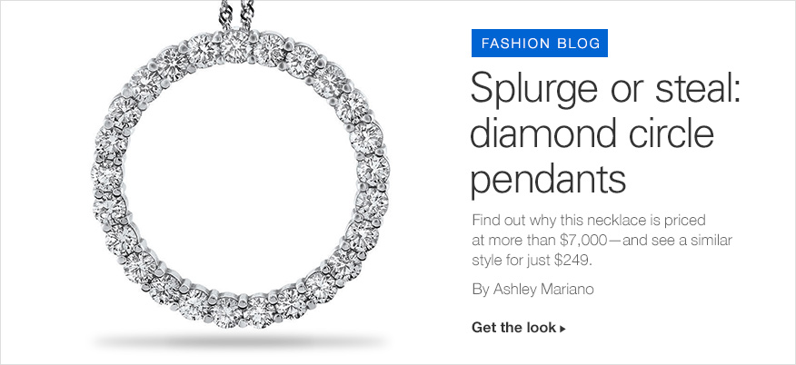
Creative Version | 082315_fashion_splurge_HPBB_656x402(1)
 | 082315_fashion_splurge_HPBB_876x402(1)
Stub name | US_Merch_Q315_Cont_NSnl_UNW_NA_Unk_FashionSplurge_DiamondCirclePendants_Sta_
URL | http://stylestories.ebay.com/splurge-or-steal-diamond-circle-pendants
Targeting | LCA = ALL & LCA = CSA (women) | Insert Creative here
Start | 23-Aug-15 @00:01
Finish | 29-Aug-15 @ 23:59
Capping
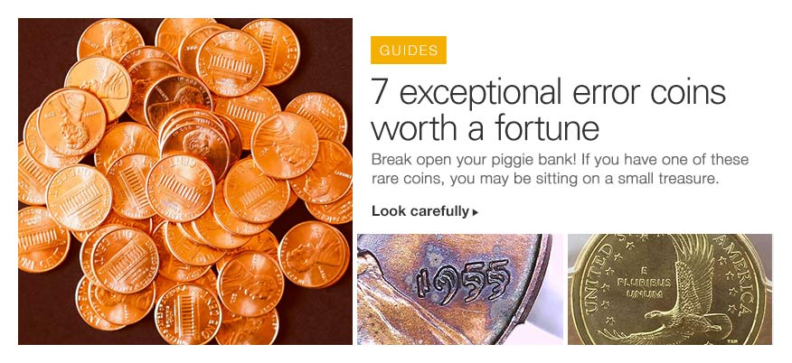
Creative Version | 082315_guides_ErrorCoins_HPBB_656x402
 | 082315_guides_ErrorCoins_HPBB_876x402
Stub name | US_Merch_Q315_Cont_NSnl_UNW_NA_Unk_ErrorCoins_ErrorCoinsWorthAFortune_Sta_
URL | http://www.ebay.com/gds/7-Exceptional-Error-Coins-on-eBay-Worth-a-Fortune-/10000000205446688/g.html
Targeting | LCA = ALL | Insert Creative here
Start | 23-Aug-15 @00:01
Finish | 29-Aug-15 @ 23:59
Capping
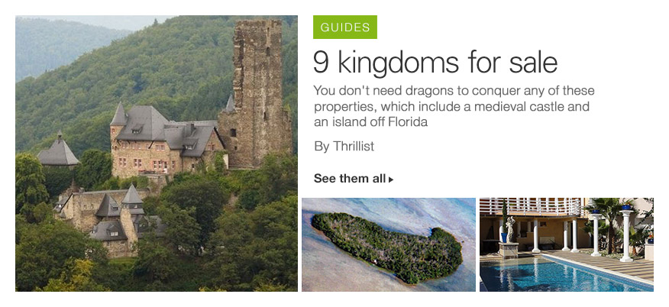
Creative Version | 082315_guides_kingdoms_HPBB_656x402(3)
 | 082315_guides_kingdoms_HPBB_876x402(2)
Stub name | US_Merch_Q315_Cont_NSnl_UNW_NA_Unk_KingdomsSale_9KingdomsforSale_Sta_
URL | http://www.ebay.com/gds/9-Kingdoms-You-Can-Buy-On-eBay-/10000000205605849/g.html
Targeting | LCA = ALL | Insert Creative here
Start | 23-Aug-15 @00:01
Finish | 29-Aug-15 @ 23:59
Capping

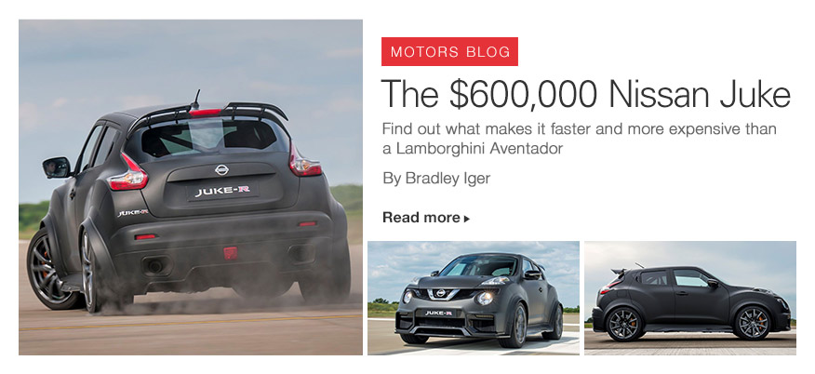
Creative Version | 082315_motors_NissanJuke_HPBB_656x402(1)
 | 082315_motors_NissanJuke_HPBB_876x402(1)
Stub name | US_Merch_Q315_Cont_NSnl_Cars_NA_Unk_NissanJuke_The600000NissanJuke_Sta_
URL | http://www.ebay.com/motors/blog/nissan-approves-run-of-600-horsepower-juke-r-2-0/
Targeting | LCA = ALL; LCA = Motors, LCA = Parts & Accessories | Insert Creative here
Start | 23-Aug-15 @00:01
Finish | 29-Aug-15 @ 23:59
Capping

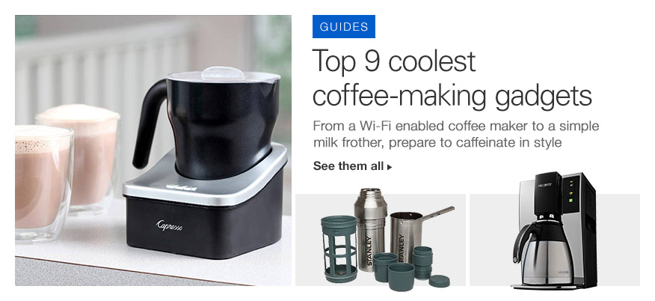
Creative Version | 071915_guides_CoffeeMakers_HPBB_656x402
 | 071915_guides_CoffeeMakers_HPBB_876x402
Stub name | US_Merch_Q315_OTH_OTH_HnG-KTCHNDNNG-SMLLKTCHNP_NA_Unk_CoffeeMakers_Frame5_Sta_
URL | http://www.ebay.com/gds/The-Coffee-Corner-The-9-Most-Intriguing-Coffee-Making-Gadgets-/10000000205427418/g.html
Targeting | LCA = Kitchen, Dining, and Bar | Insert Creative here
Start | 23-Aug-15 @00:01
Finish | 29-Aug-15 @ 23:59
Capping

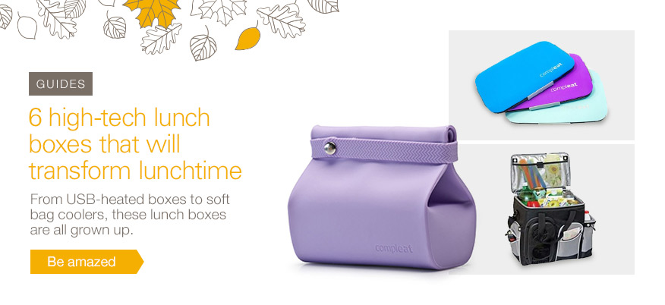
Creative Version | 080215_BTS_LunchBoxes_HPBB_656x402(2)
 | 080215_BTS_LunchBoxes_HPBB_876x402(2)
Stub name | US_Merch_Q315_OTH_OTH_OTH-WRDSTFF-SLGHTLYNSL_NA_Unk_BTSLunchBox_Frame5_Sta_
URL | http://www.ebay.com/gds/6-High-Tech-Lunchboxes-That-Will-Transform-Lunch-Time-/10000000205560454/g.html
Targeting | LCA - All | Insert Creative here
Start | 23-Aug-15 @00:01
Finish | 29-Aug-15 @ 23:59
Capping

